Plano
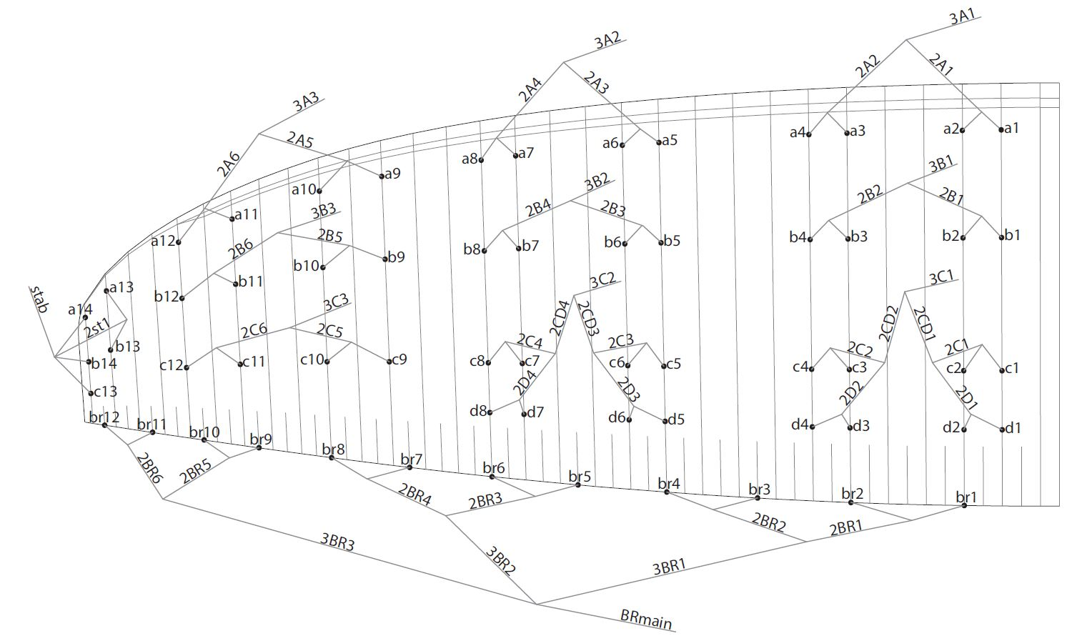
SUSPENSION PLAN

